
 |  |  |  | CODE: |  |  | pl1041 aa SN from 96D673
DESCRIPTION: |  | TANK-ACCESSORIES |  | TANK | RESERVOIR | TANQUE | SERB.: ACCESSORI
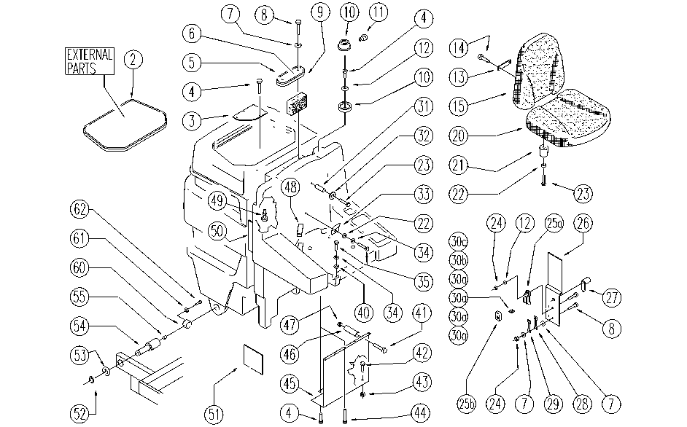

REF. | CODE | DESCRIPTION | QT
2 | E86844 | Gasket, Lid - Red | 1
3 | SL17363 | LID | 1
4 | E89276 | Screw | 11
5 | SL03275 | SCREW | 1
6 | E86974 | Sifter Room Cover | 1
7 | E89118 | Washer | 6
8 | E89469 | M4 - 15 Phil Pan Head Screw | 6
9 | E86806 | Vacuum Filter | 1
10 | SL23464 | FLASH-LIGHT (n.) | 1
11 | E86919 | AS30/36 Bulb | 1
12 | E86750 | Washer D5 UNI 6591 NOXA2 Plane | 3
13 | E86902 | AS30/36 Seat Anchorage Plate | 1
14 | E86901 | AS30/36 Seat Back Screw | 1
15 | SL14191-PL | SEAT BACK | 1
20 | SL14190-PL | SEAT | 1
21 | SL03103 | PLUG / STOPPER | 4
22 | E86707 | Cham Washer D10 | 4
23 | E86708 | Screw TE M 6-35 | 6
24 | SL05012 | NUT | 4
25a | SL23894-1 | FUSE-HOLDERS | 1
25b | SL23893-2 | LID | 1
26 | SL09901 | LID | 1
27 | SL20045 | CATCH / LOCK | 1
28 | E86836 | Fuse 100 amp | 1
29 | E86643 | Fuse 75 amp | 1
30a | E86825 | Fuse 5 amp | 4
30b | E86827 | Fuse 25 amp | 1
30c | E86826 | Fuse 15 amp | 1
31 | SL07293 | SPACER | 2
32 | E86704 | Washer D 6-18 | 2
33 | SL09540 | PLATE | 1
34 | E86700 | Cham Washer D6 | 1
35 | SL04180 | SCREW | 2
40 | E86704 | Washer D 6-18 | 1
41 | SL04196 | SCREW | 1
42 | SL04252 | SCREW | 1
43 | E86853 | Nyloc Hex Nut, M8 Zinc | 1
44 | SL04223 | SCREW | 5
45 | SL09694 | PLATE | 1
46 | SL07337 | SPACER | 1
47 | E86552 | nut | 1
48 | SL14199 | TERMINAL | 2
49 | E86835 | Floating Switch | 1
50 | SL17395 | REINFORCEMENT | 1
51 | SL17499 | PANEL | 1
52 | SL11108 | RING | 2
53 | SL06080 | WASHER | 2
54 | SL07301 | PIN | 2
55 | E86453 | AS20 Bushing | 2
60 | SL07308 | SUPPORT | 1
61 | E86726 | Washer | 1
62 | SL04083 | SCREW | 1

